Sheet1
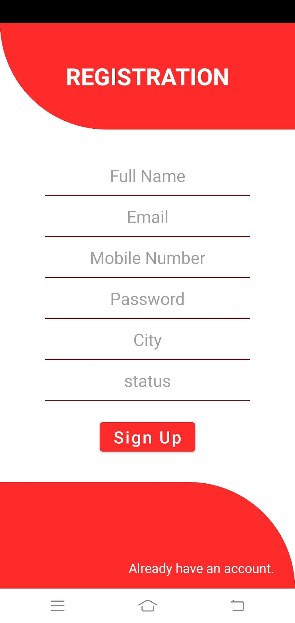
Category | Label | Value
Bug ID | ID number | BG101
 | Project | Shiva Concept Digital App
 | Name | Registeration Module
 | Reporter | Shikha Vishwakarma
 | Submit Date | 2021-09-07
Bug overview | Summary | "Status" is written in the state field.
 | URL | https://shivaconceptsolution.com/digital/
 | Screenshot | Provided below
 | Defect/Enhancement: | Defect
Environment | Platform | Android Mobile
 | Operating System | Android
 | Browser
Bug details | Steps to reproduce | Open the app in mobile phone-> Visit "Not Regsitered?" option in the footer-> "status" field
 | Expected result | Instead of status, state should be mentioned.
 | Actual result | Not As per expected
Bug tracking | Assigned to | Shiva sir
 | Severity | Low
 | Priority | High

Sheet4
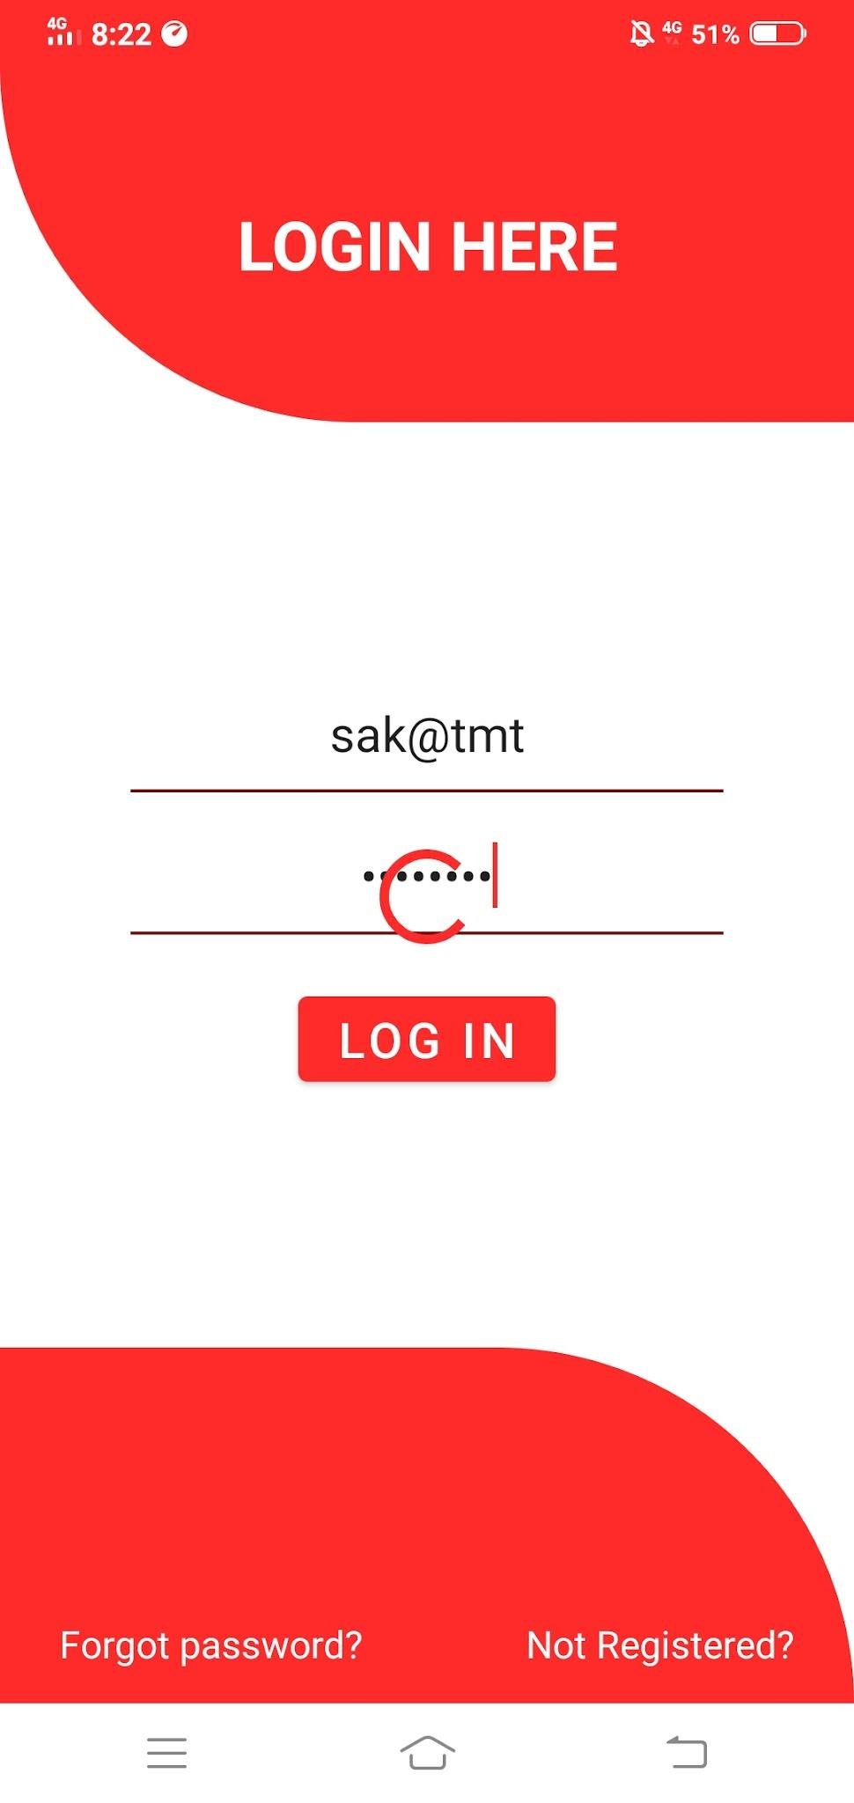
Category | Label | Value
Bug ID | ID number | BG103
 | Project | Shiva Concept Digital App
 | Name | Login Module
 | Reporter | Shikha Vishwakarma
 | Submit Date | 2021-09-08
Bug overview | Summary | Nothing happens when wrong login credentials are inserted.
 | URL | https://shivaconceptsolution.com/digital/
 | Screenshot | Provided below
 | Defect/Enhancement: | Defect
Environment | Platform | Android Mobile
 | Operating System | Android
 | Browser
Bug details | Steps to reproduce | Open the app in mobile phone-> Visit "Login"-> Enter wrong credentials-> Click on login
 | Expected result | Error message should be displayed after entering wrong login credentials.
 | Actual result | Not As per expected
Bug tracking | Assigned to | Shiva sir
 | Severity | Medium
 | Priority | High

Sheet5

Category | Label | Value
Bug ID | ID number | BG105
 | Project | Shiva Concept Digital App
 | Name | Login Module
 | Reporter | Shikha Vishwakarma
 | Submit Date | 2021-09-08
Bug overview | Summary | Wrong message displayed while logging "login not activated".
 | URL | https://shivaconceptsolution.com/digital/
 | Screenshot | Provided below
 | Defect/Enhancement: | Defect
Environment | Platform | Android Mobile
 | Operating System | Android
 | Browser
Bug details | Steps to reproduce | Open the app in mobile phone-> Visit "Login"-> Enter correct login credentials-> Click on login
 | Expected result | "Login successful" should be displayed after log in.
 | Actual result | Not As per expected
Bug tracking | Assigned to | Shiva sir
 | Severity | Medium
 | Priority | High

Sheet6
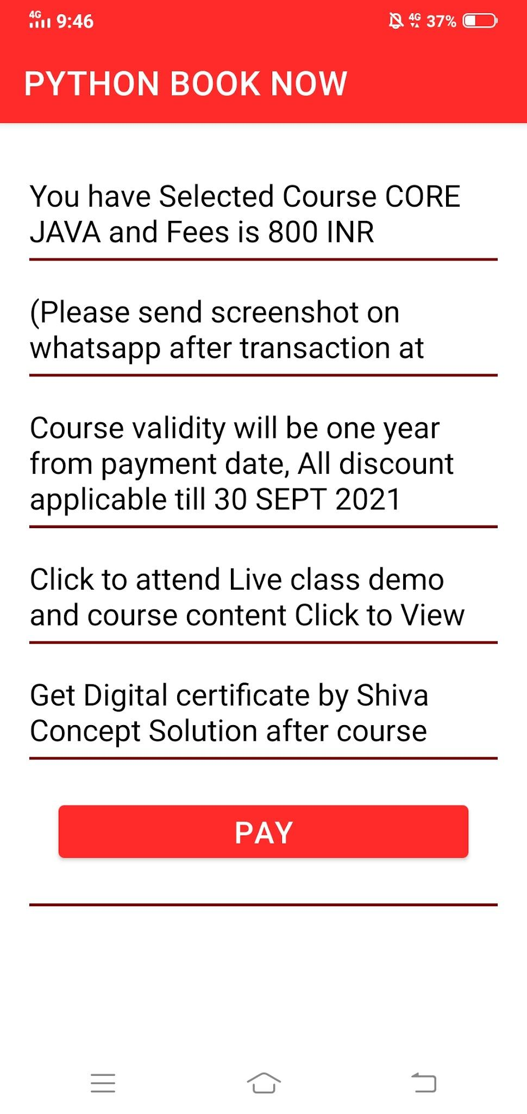
Category | Label | Value
Bug ID | ID number | BG106
 | Project | Shiva Concept Digital App
 | Name | Login Module
 | Reporter | Shikha Vishwakarma
 | Submit Date | 2021-09-08
Bug overview | Summary | Irrelvant content is displayed after selecting any course as "Course core java and fees is 800". No link is there for "Click to view" and "click to attend live demo".
 | URL | https://shivaconceptsolution.com/digital/
 | Screenshot | Provided below
 | Defect/Enhancement: | Defect
Environment | Platform | Android Mobile
 | Operating System | Android
 | Browser
Bug details | Steps to reproduce | Open the app in mobile phone-> Login-> Select any course-> PHP-> Click on book option-> "PHP Book Now".
 | Expected result | Related page links should be there for each option and correct course name with respective fees must be displayed.
 | Actual result | Not As per expected
Bug tracking | Assigned to | Shiva sir
 | Severity | Medium
 | Priority | High

